metjhod notes
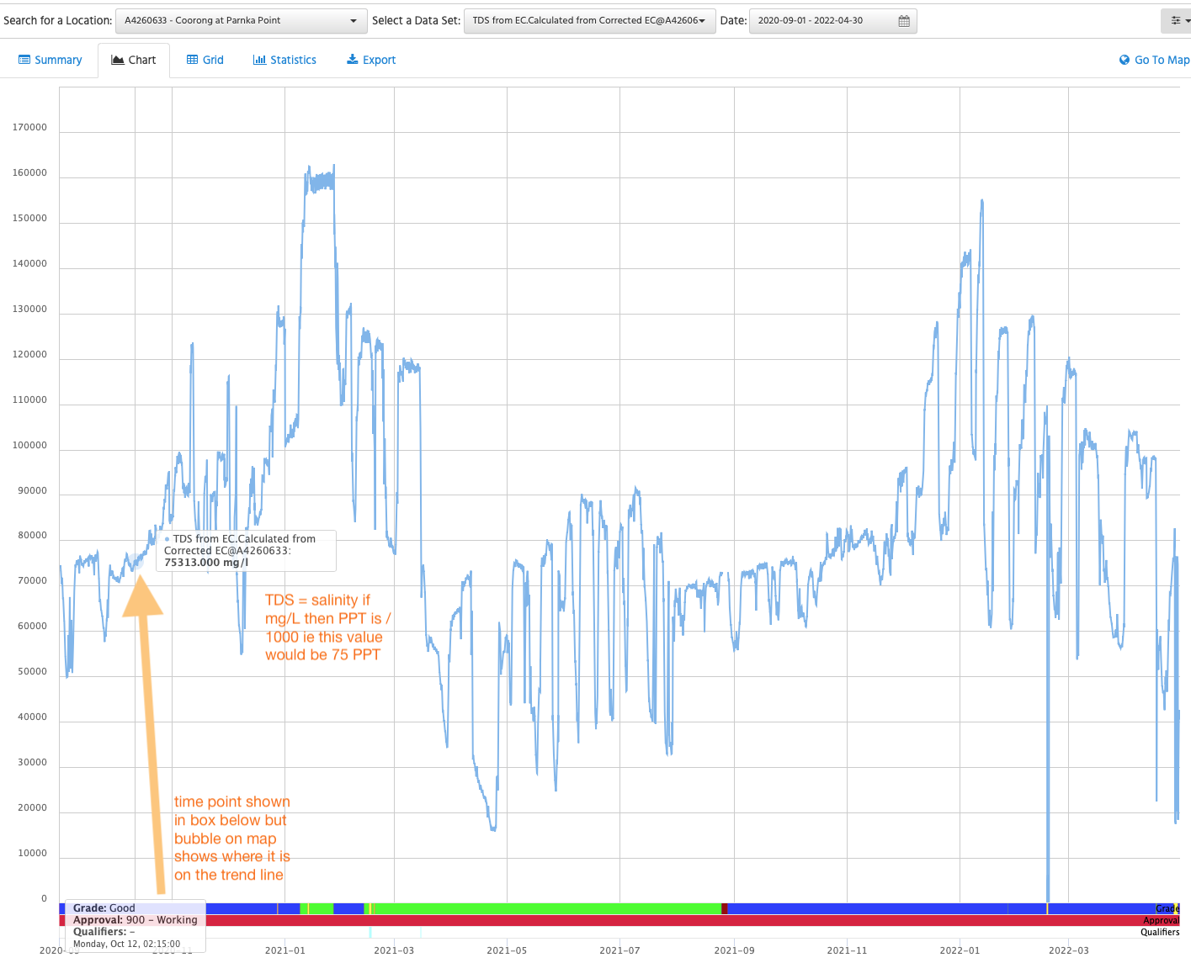
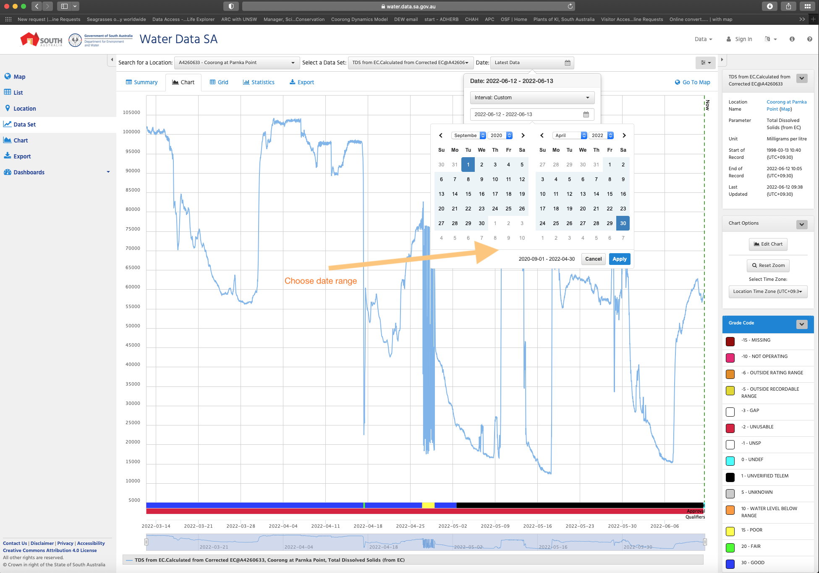
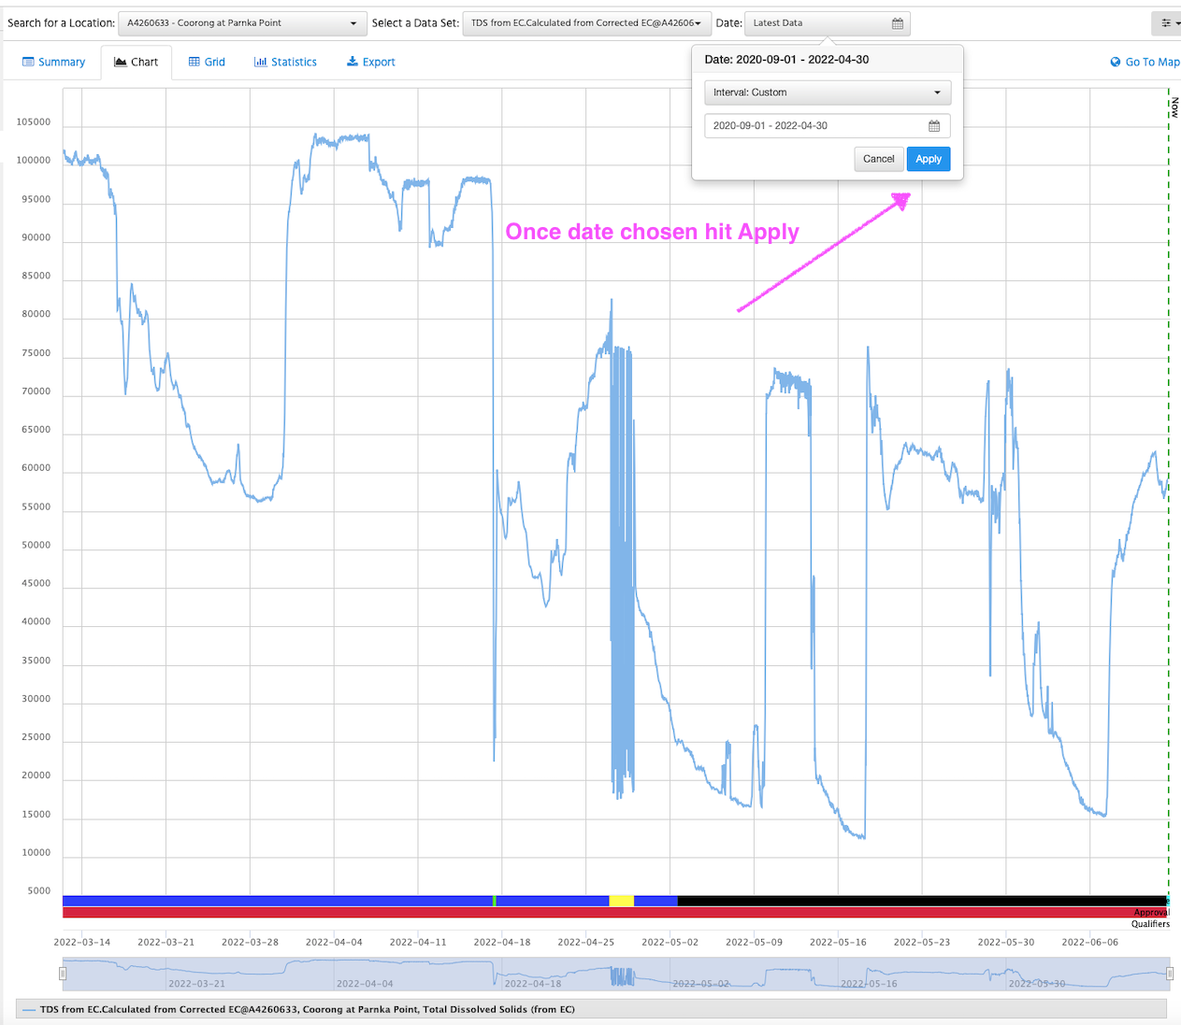
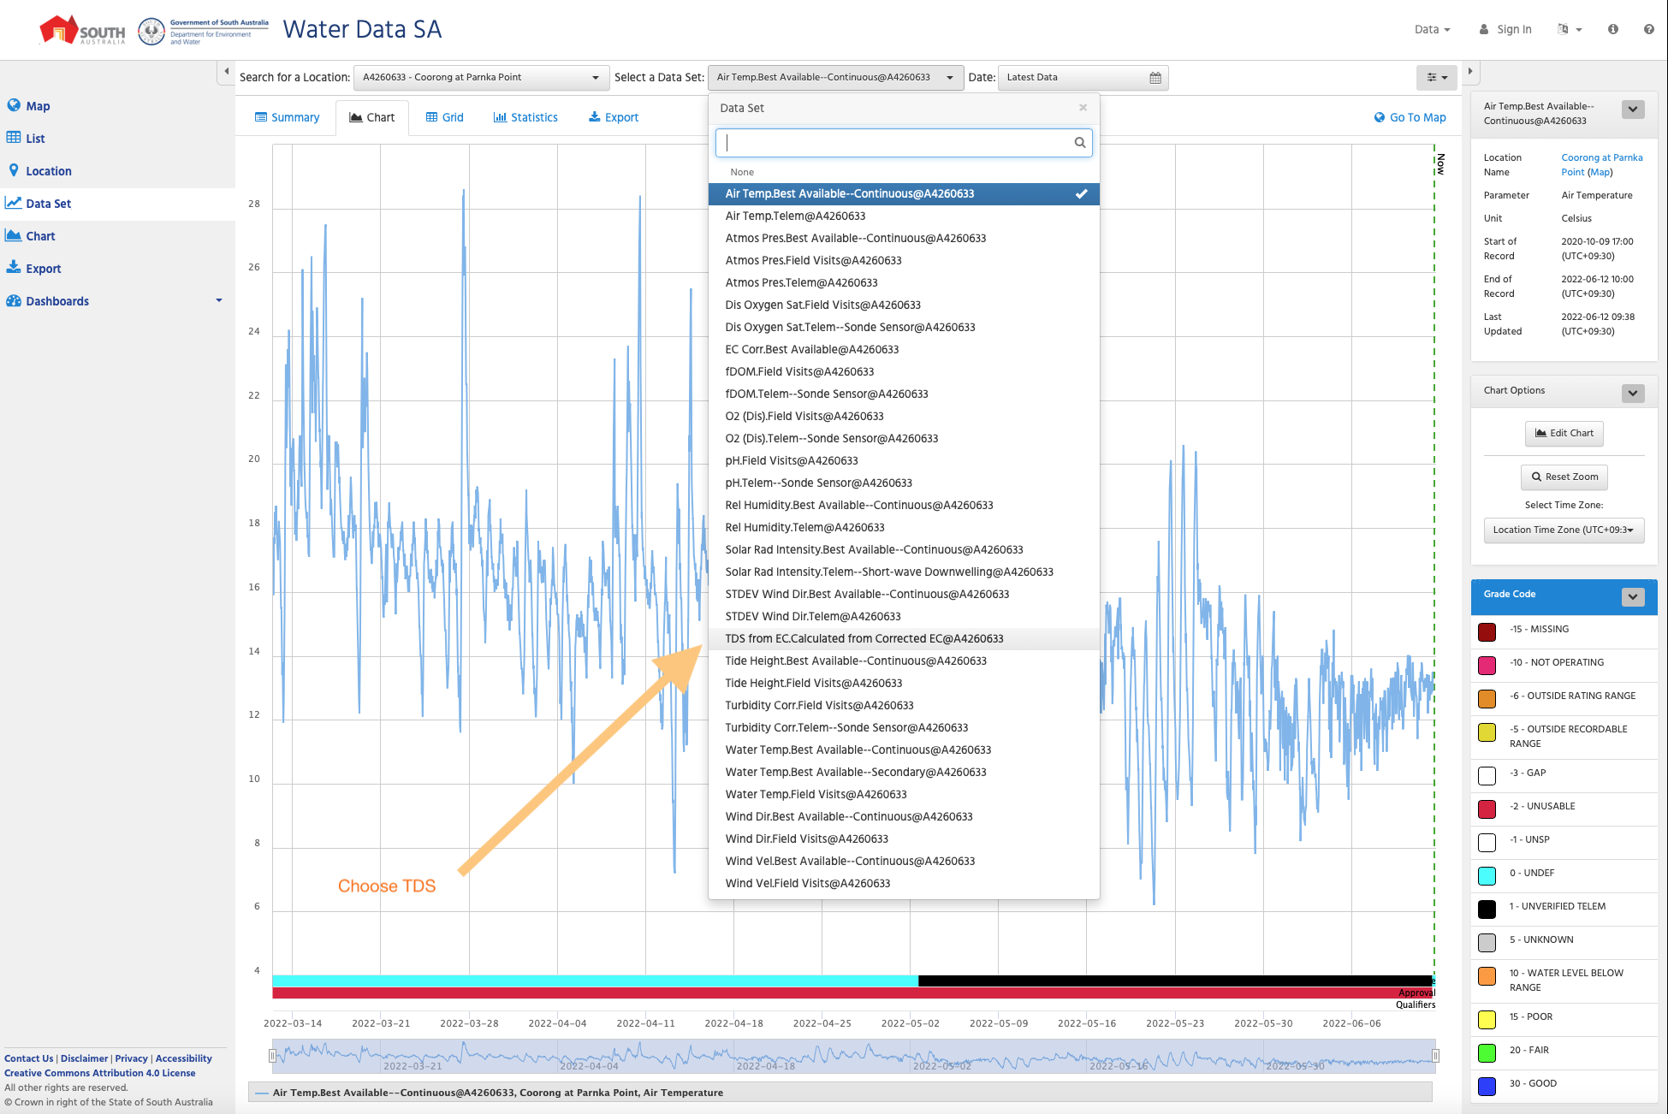
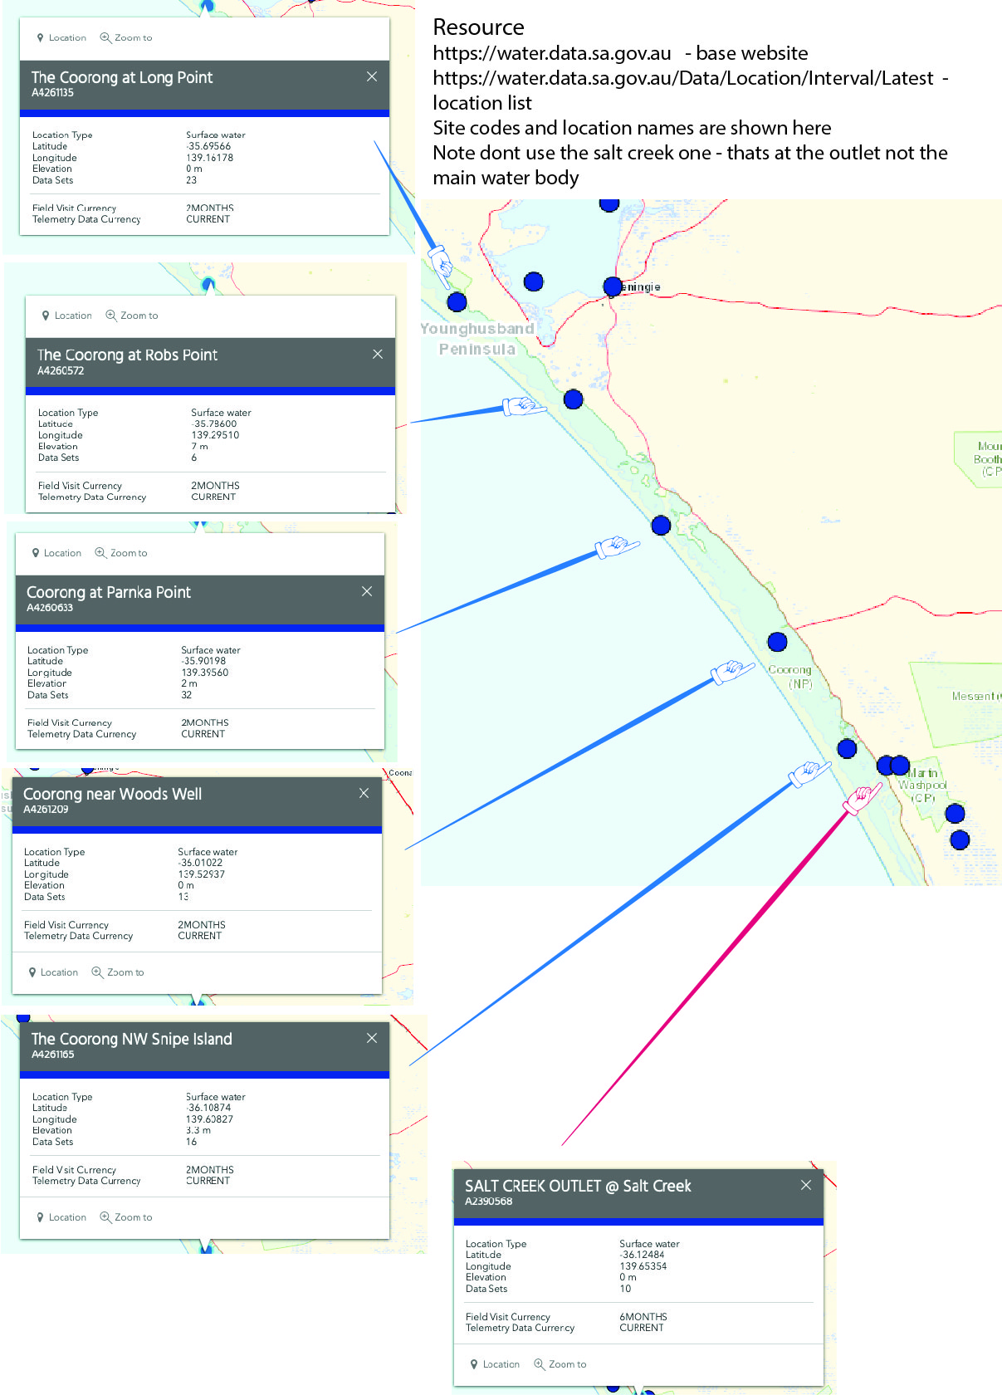
Salinity data gap filling
TO FIND A LOCATION IN WATER DATA SA GOV AU
Go to water data website
https://water.data.sa.gov.au
select location tab on LHS
then chose the "search for a location" drop down menu
enter one of the sites shown to the RHS picture here that will be closest to the location where there is missing data
HOW TO LOOKUP LOCATION:
I use google earth but google maps works oK
use the lat lon in the data table - you can just copy the two cells and paste into the search window…
then assess visually which monitoring tation (ie those listed to the RHS) is the best option, for example on the summary salinty gaps tab of this workbook the A-2 sample (the top one) the lat and lon is -35.855856 139.370608 - this shows a point as below:
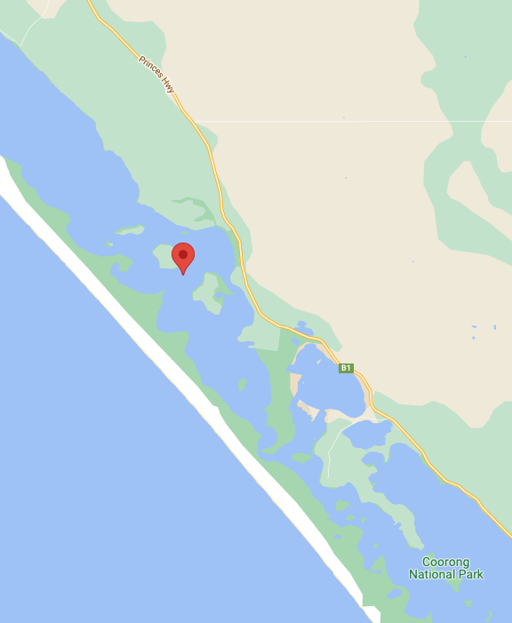

For this site you would chose the Parnka Point monitoring
Then you will get up the summary window
From the buttons on the HS side chose 'data set'
then from the top of the page chose the drop down menu that us 'select a data set'
chose TDS
then choose the date range
you can either do this by the actual day you are trying to check or group the sites to the location and choose a longer date range
then look up the time (see screen grabs below)
record the g/l or mg/l value at that time in the spreadsheet
you can fill in the column on the main spreadsheet or use the summary sheet then fill them all in later
GO TO NEXT RECORD (rinse repeat!)

SCREEN GRABS - Steps in reverse order

